Sheet3
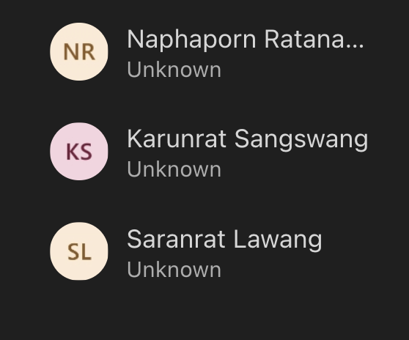
AR- Tender | AR-cash | O2O
 | Karunrat Sangswang | Saranrat Lawang

